Sheet1
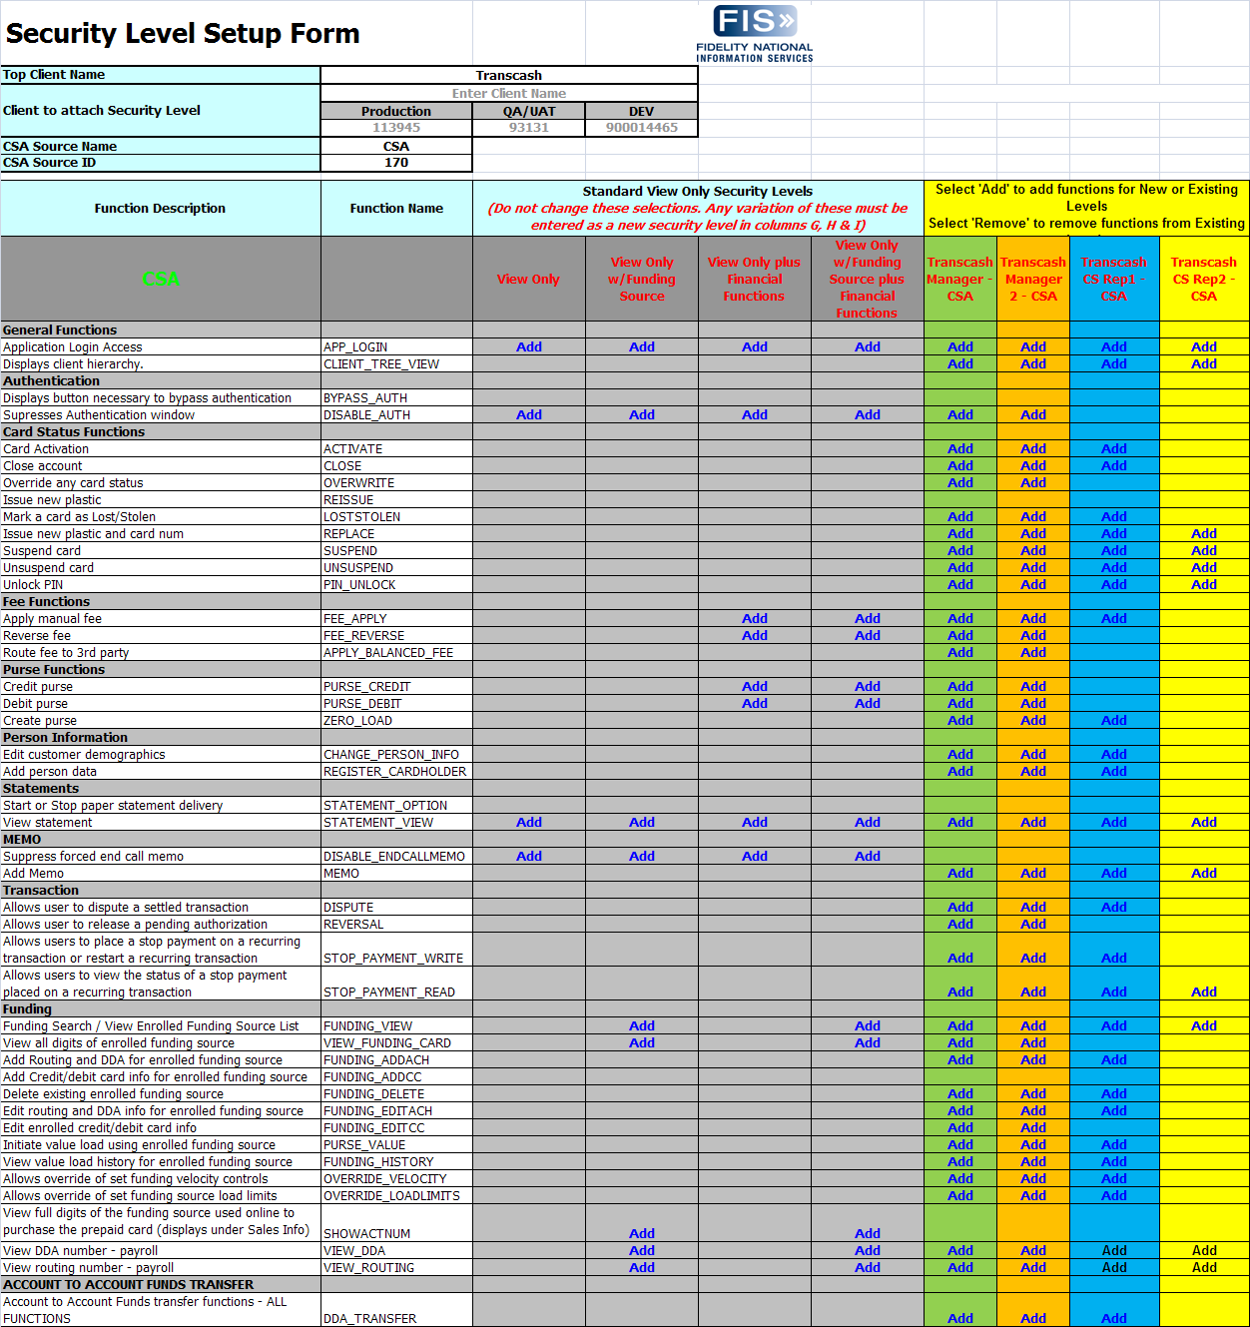
Customer Service Security Set-up
TransCash Manager
TransCash Manager 2
TransCash Rep 1
TransCash Rep 2

